Oracle CXM Support
Pro-Forma Adjustment - Business Transformation

Oracle CXM
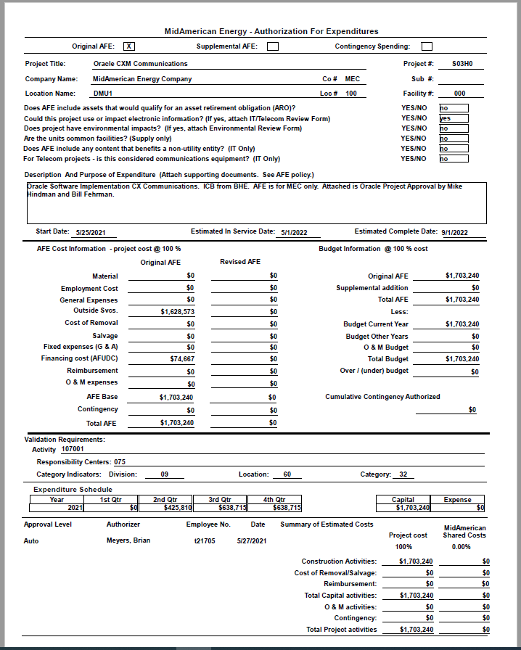

Pro-Forma Adjustment - Business Transformation

Oracle CXM
 |  |  | 10 year life
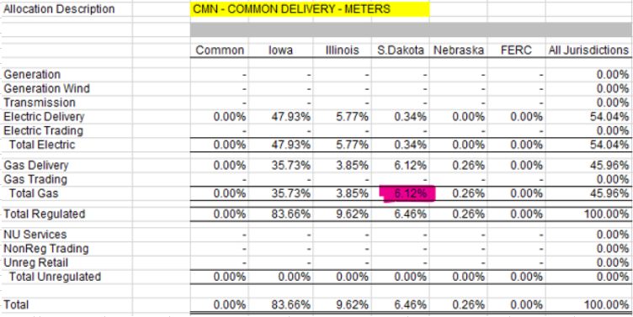

 | MidAmerican Project Cost | $1,703,240
 | SD Gas Allocation % | 6.12%
 | SD Gas Amount | $104,238

Oracle CXM Engage Support
Pro-Forma Adjustment - Business Transformation

Oracle CXM Engagement
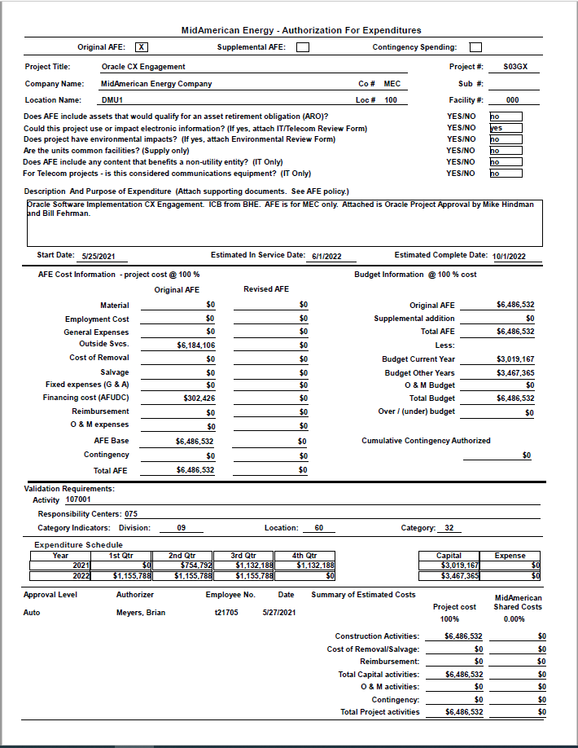

Pro-Forma Adjustment - Business Transformation

Oracle CXM Engagement
 |  | 10 year life

 | MidAmerican Project Cost | $6,486,532
 | SD Gas Allocation % | 6.12%
 | SD Gas Amount | $396,976

Maximo 2022 Support
Pro-Forma Adjustment - Business Transformation

Maximo

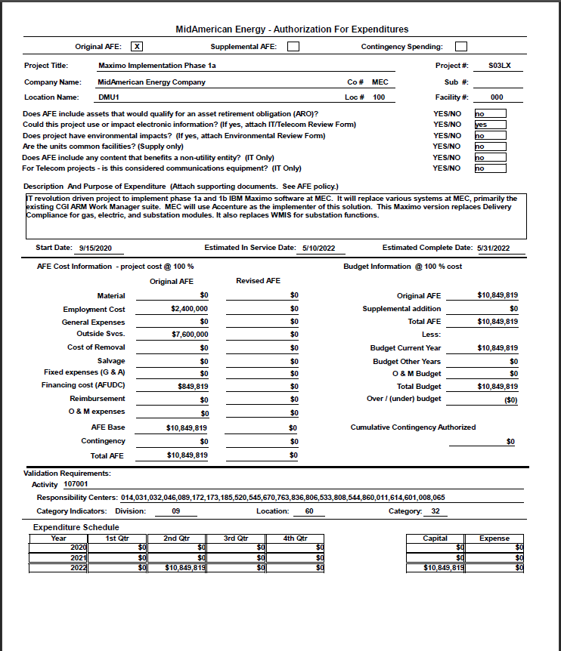

Pro-Forma Adjustment - Business Transformation

Maximo
 |  | 10 year life
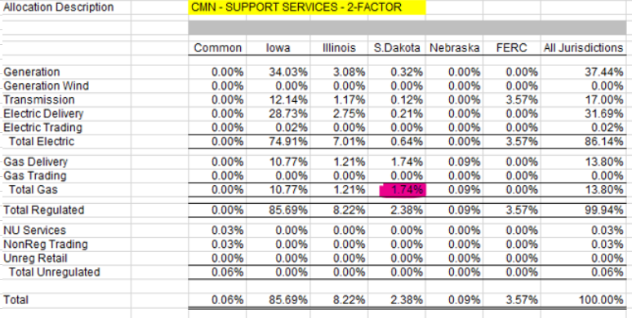

 | MidAmerican Project Cost - 2022 | $10,849,819
 | SD Gas Allocation % | 1.74%
 | SD Gas Amount | $188,787

Maximo 2023 Support
Pro-Forma Adjustment - System Reliability

Maximo 2023

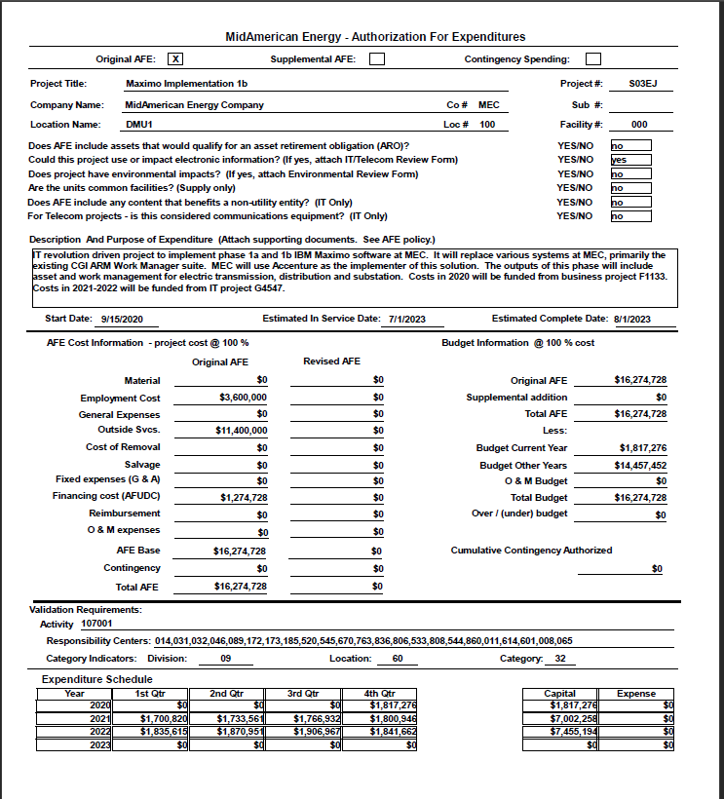

Pro-Forma Adjustment - System Reliability

Maximo 2023
 |  |  | 10 year life

 | MidAmerican Project Cost - 2023 | $16,274,728
 | SD Gas Allocation % | 1.74%
 | SD Gas Amount | $283,180

Oracle ERP Support
Pro-Forma Adjustment - Business Transformation

Oracle Financial Mgmt ERP EPM SCM
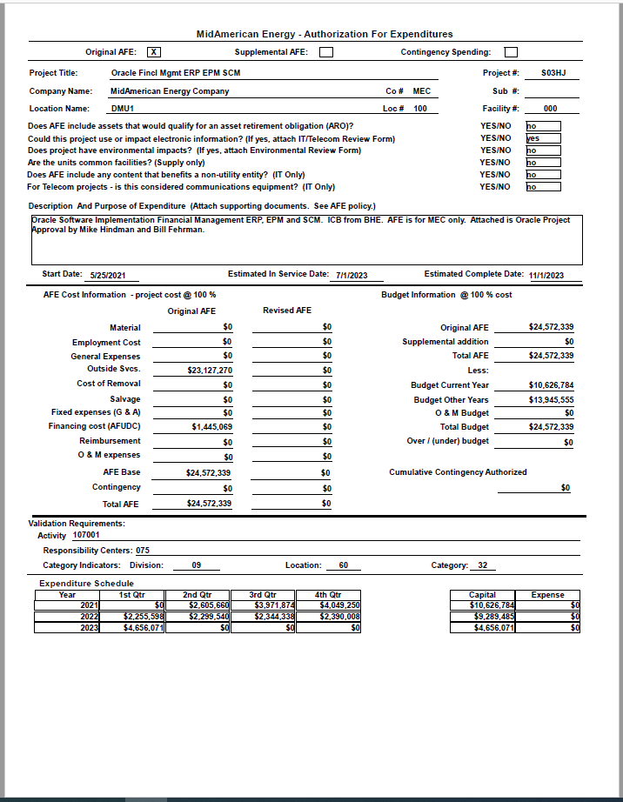

Pro-Forma Adjustment - Business Transformation

Oracle Financial Mgmt ERP EPM SCM
 |  |  | 10 year life
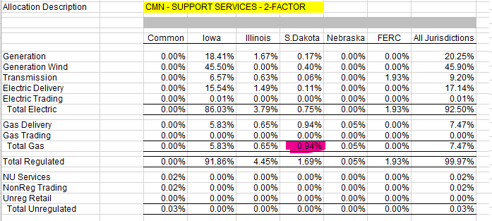

 | MidAmerican Project Cost | $24,572,339
 | SD Gas Allocation % | 0.94%
 | SD Gas Amount | $230,980

PowerPlan Support
Pro-Forma Adjustment - Business Transformation

PowerPlan

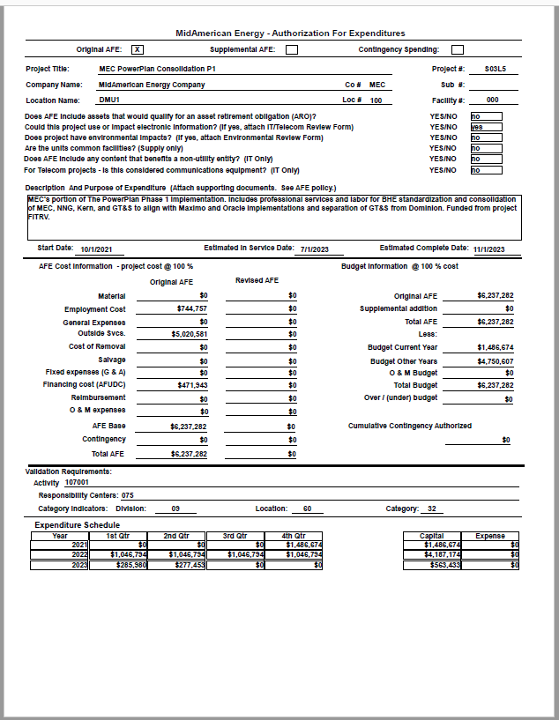

Pro-Forma Adjustment - Business Transformation

PowerPlan
 |  |  | 10 year life
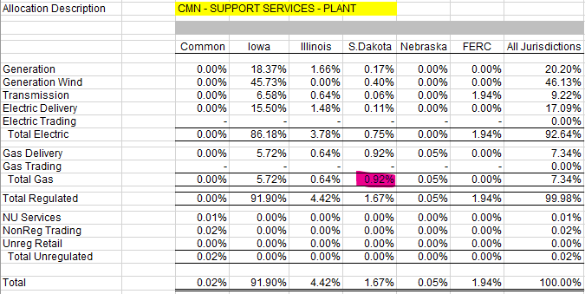

 | MidAmerican Project Cost | $6,237,282
 | SD Gas Allocation % | 0.92%
 | SD Gas Amount | $57,383

Oracle HCM Support
Pro-Forma Adjustment - Business Transformation

Oracle Human Resources
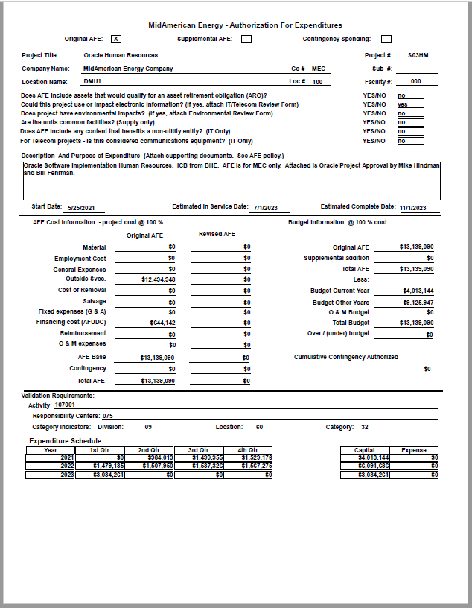

Pro-Forma Adjustment - Business Transformation

Oracle Human Resources
 |  |  | 10 year life
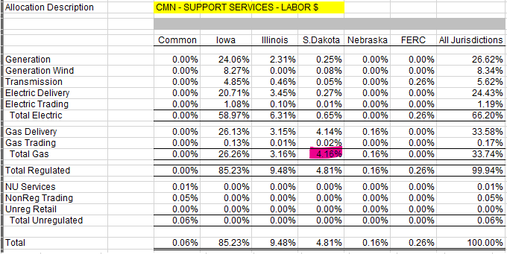

 | MidAmerican Project Cost | $13,139,090
 | SD Gas Allocation % | 4.16%
 | SD Gas Amount | $546,586

Oracle OPC Support
Pro-Forma Adjustment - Business Transformation

Oracle OPC
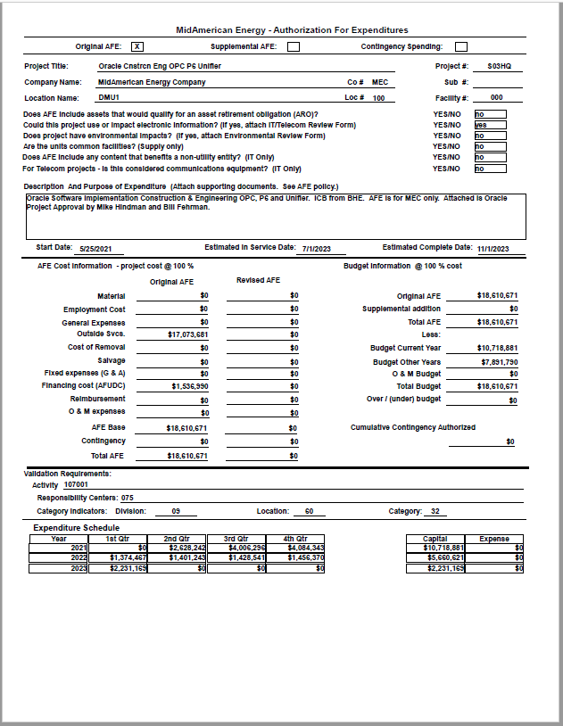

Pro-Forma Adjustment - Business Transformation

Oracle OPC
 |  |  | 10 year life
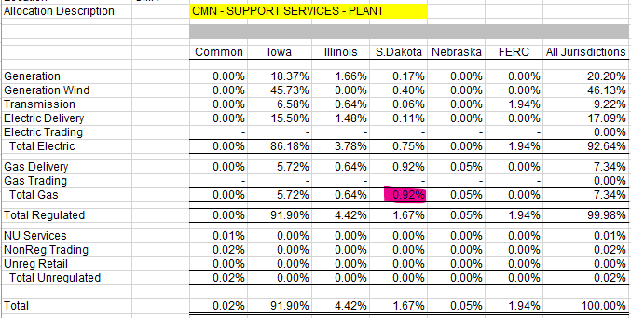

 | MidAmerican Project Cost | $18,610,671
 | SD Gas Allocation % | 0.92%
 | SD Gas Amount | $171,218

Mobile GIS Support
Pro-Forma Adjustment - Business Transformation

Mobile GIS

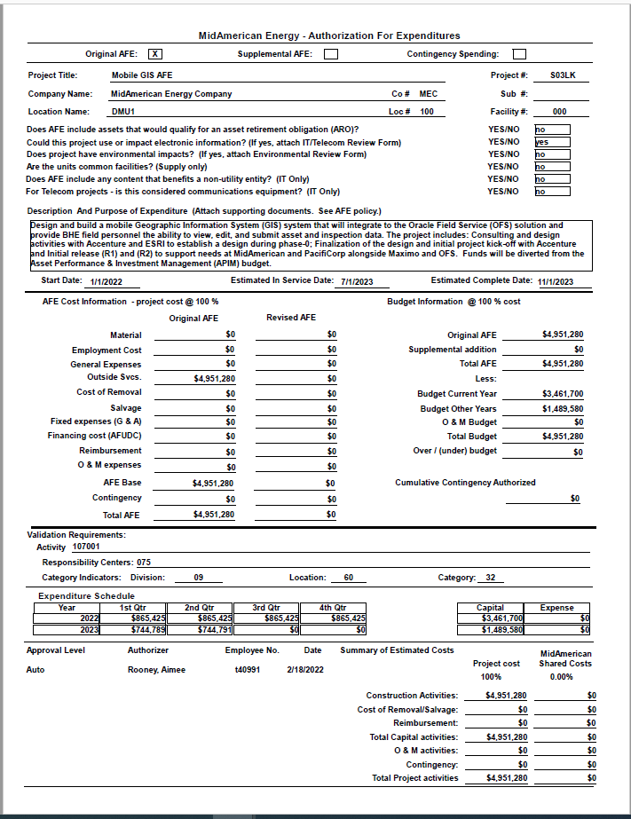

Pro-Forma Adjustment - Business Transformation

Mobile GIS
 |  |  | 10 year life

 | MidAmerican Project Cost | $4,951,280
 | SD Gas Allocation % | 6.12%
 | SD Gas Amount | $303,018

Vertex Support
Pro-Forma Adjustment - Business Transformation

Vertex
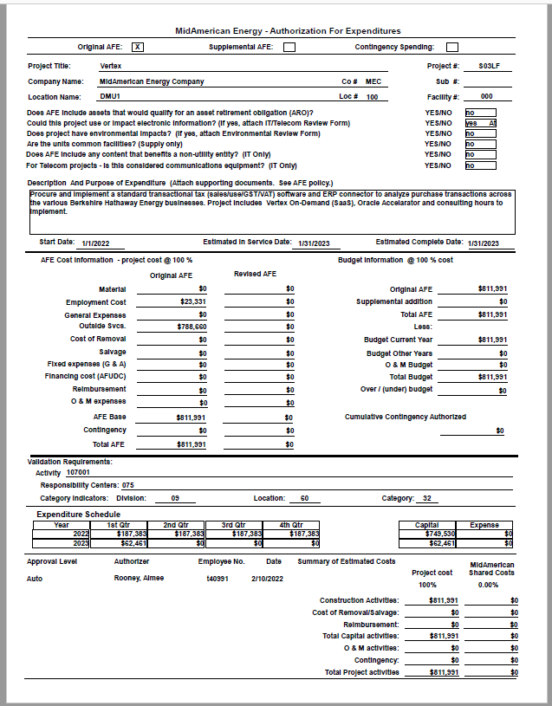

Pro-Forma Adjustment - Business Transformation

Vertex
 |  |  | 10 year life

 | MidAmerican Project Cost | $811,991
 | SD Gas Allocation % | 6.12%
 | SD Gas Amount | $49,694

