G9B6U Support
Pro-Forma Adjustment - System Reliability

Tea-Sioux Falls Hwy 106 Tie
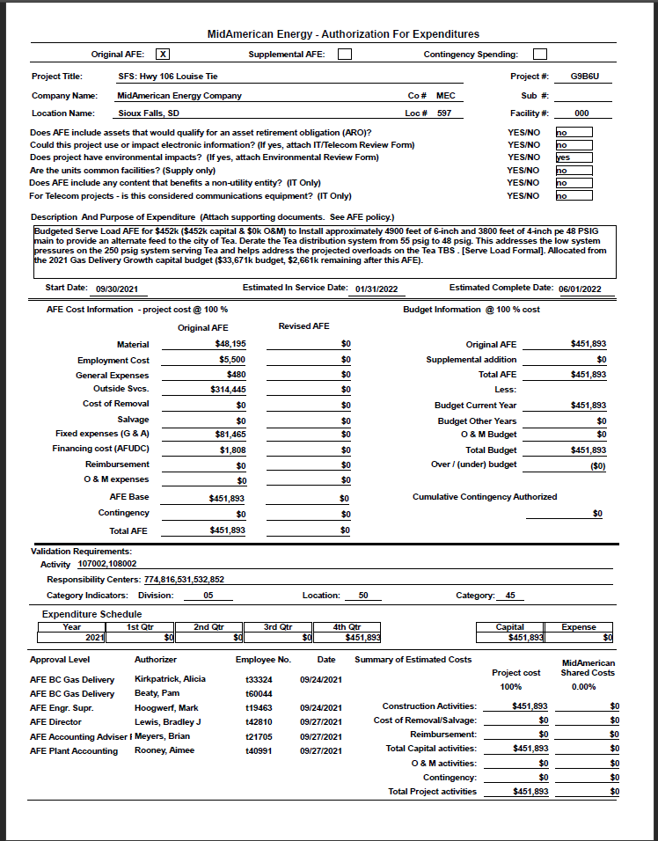

Pro-Forma Adjustment - System Reliability

Tea-Sioux Falls Hwy 106 Tie

G99BW Support
Pro-Forma Adjustment - System Reliability

SFS: NW 250 PSIG Expansion
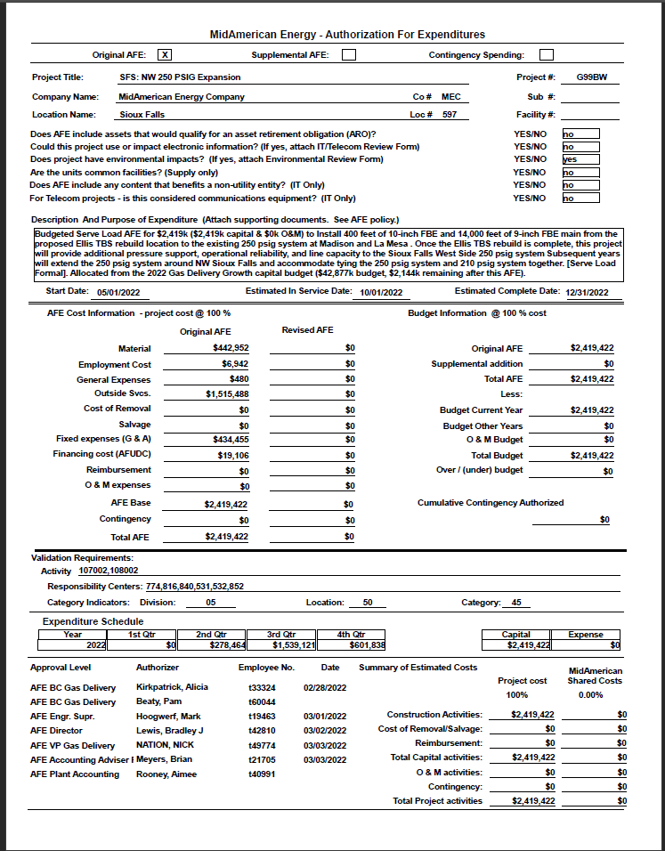

Pro-Forma Adjustment - System Reliability

SFS: NW 250 PSIG Expansion

G9BAL Support
Pro-Forma Adjustment - System Reliability

SFS: Minnesota Ave Russell-3rd
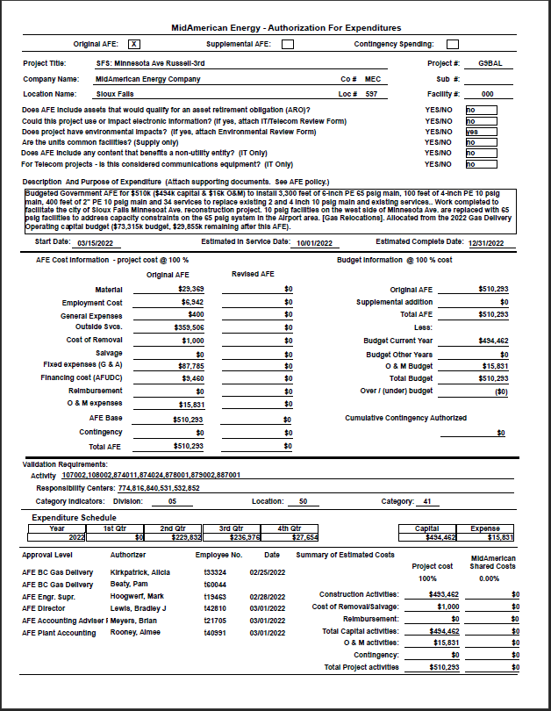

Pro-Forma Adjustment - System Reliability

SFS: Minnesota Ave Russell-3rd

G9AET Support
Pro-Forma Adjustment - System Reliability

6 Mile Rd 10th to 26th
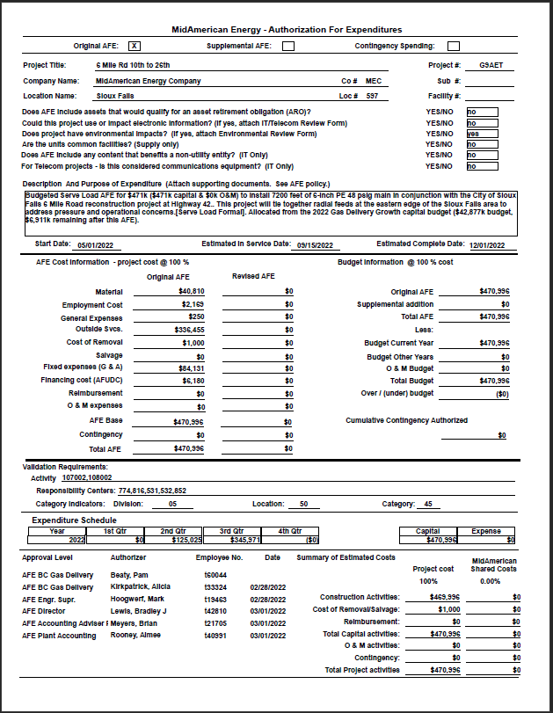

Pro-Forma Adjustment - System Reliability

6 Mile Rd 10th to 26th

G9BDB Support
Pro-Forma Adjustment - System Reliability

SFS: Rice St 210 Line Upgrade

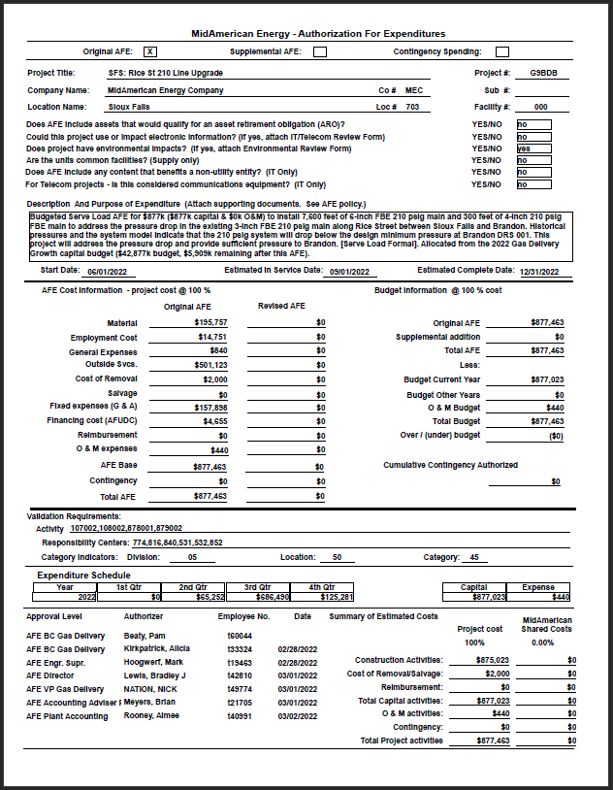

Pro-Forma Adjustment - System Reliability

SFS: Rice St 210 Line Upgrade

G9BDC Support
Pro-Forma Adjustment - System Reliability

SFS: SF MM New Harrisburg Feed
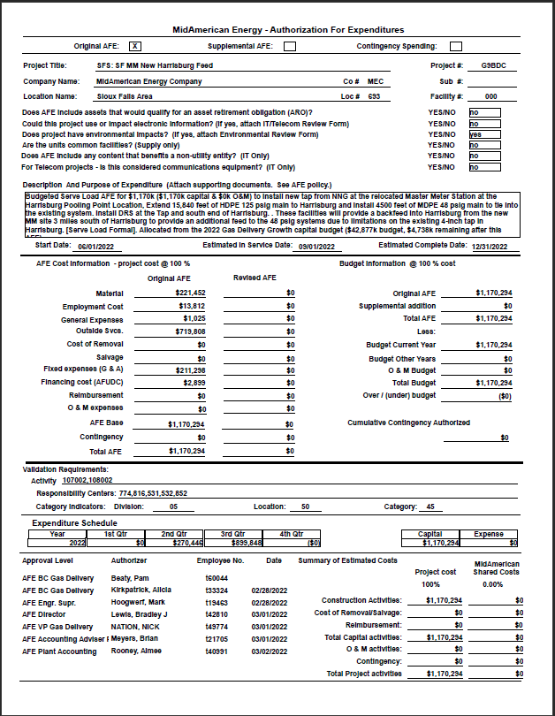

Pro-Forma Adjustment - System Reliability

SFS: SF MM New Harrisburg Feed

G9AM4 Support
Pro-Forma Adjustment - System Reliability

SFS: SD Hwy42 SD100 to 6 Mile

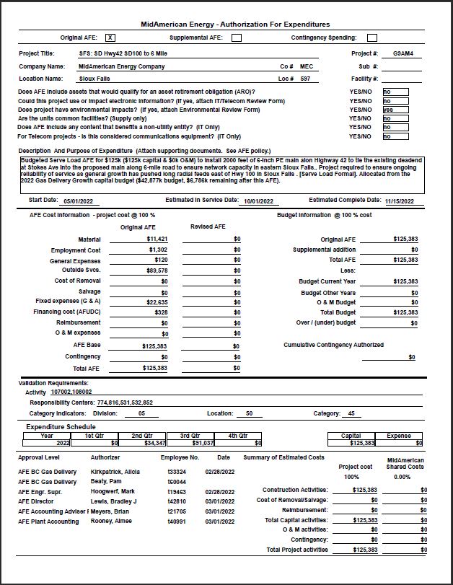

Pro-Forma Adjustment - System Reliability

SFS: SD Hwy42 SD100 to 6 Mile

G9AF2 Support
Pro-Forma Adjustment - System Reliability

SFS: Tallgrass 69th to 85th

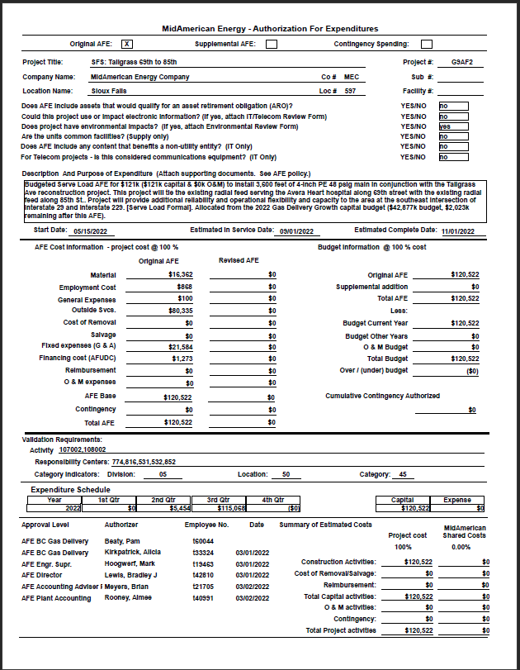

Pro-Forma Adjustment - System Reliability

SFS: Tallgrass 69th to 85th

G9BDJ Support
Pro-Forma Adjustment - System Reliability

2022 Flow Computer Rplmt-SD

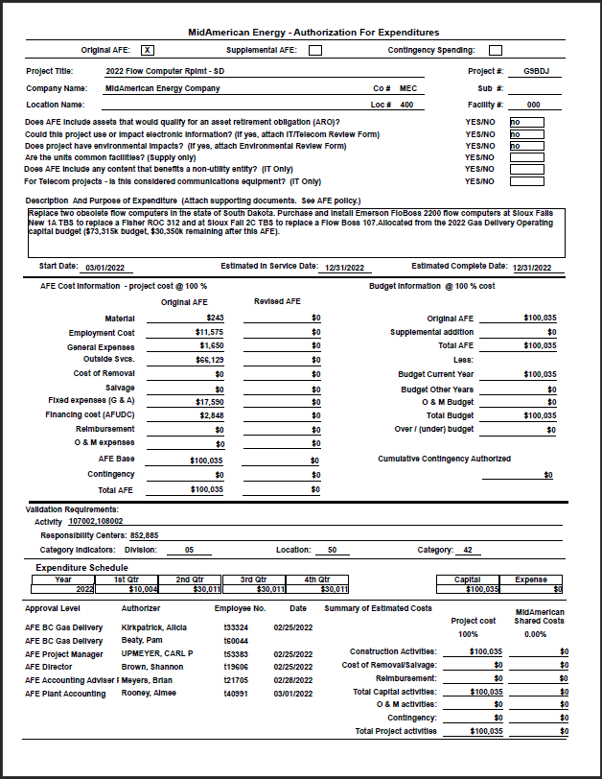

Pro-Forma Adjustment - System Reliability

2022 Flow Computer Rplmt-SD

G9BDH Support
Pro-Forma Adjustment - System Reliability

2022 Odorizer Replacement - SD
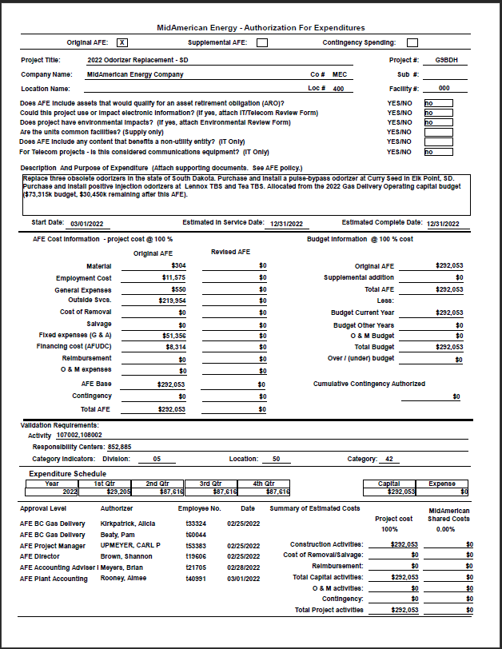

Pro-Forma Adjustment - System Reliability

2022 Odorizer Replacement - SD

G99BX Support
Pro-Forma Adjustment - System Reliability

SFS: LaMesa & 60th - NW 250 Psig
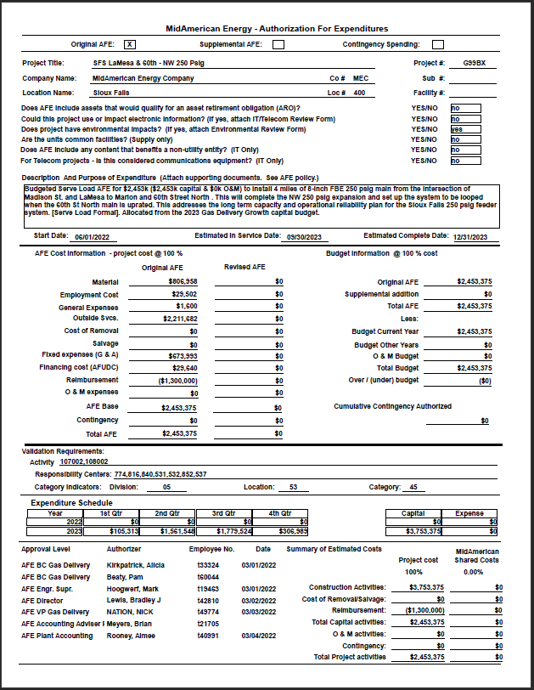

Pro-Forma Adjustment - System Reliability

SFS: LaMesa & 60th - NW 250 Psig

G99HL Support
Pro-Forma Adjustment - System Reliability

SFS W 85th St HP: Tea-Sundown'r

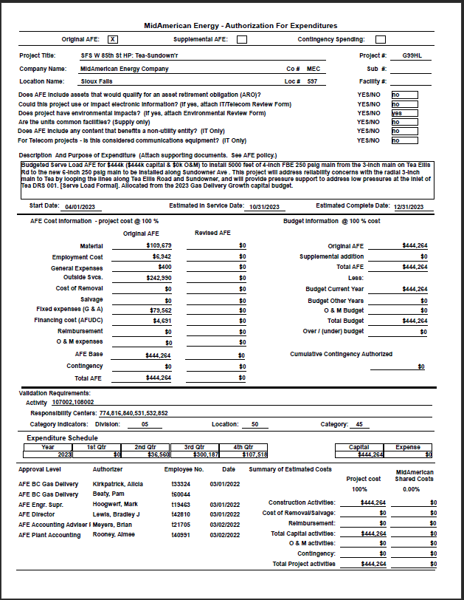

Pro-Forma Adjustment - System Reliability

SFS W 85th St HP: Tea-Sundown'r

G9BAM Support
Pro-Forma Adjustment - System Reliability

SFS: Minnesota Ave 2nd-10th
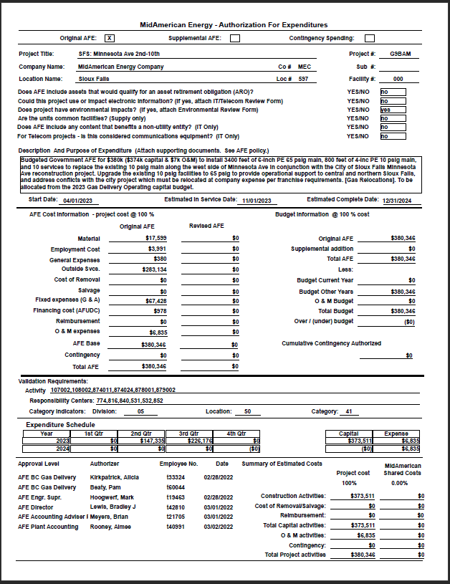

Pro-Forma Adjustment - System Reliability

SFS: Minnesota Ave 2nd-10th

G99B4 Support
Pro-Forma Adjustment - System Reliability

SFS: Brandon Splitrock Blvd 6"
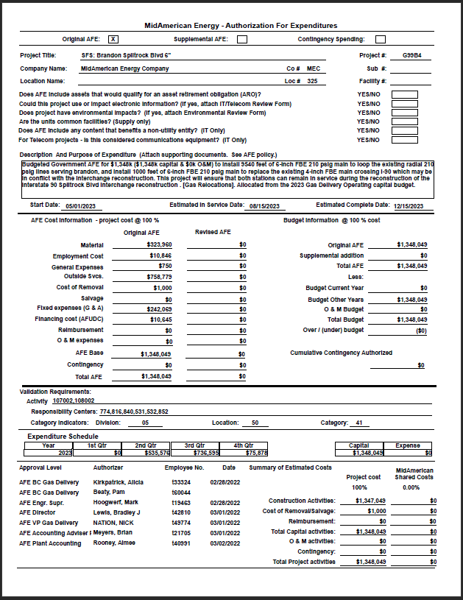

Pro-Forma Adjustment - System Reliability

SFS: Brandon Splitrock Blvd 6"

G99I0 Support
Pro-Forma Adjustment - System Reliability

SFS: Tea Serve Load
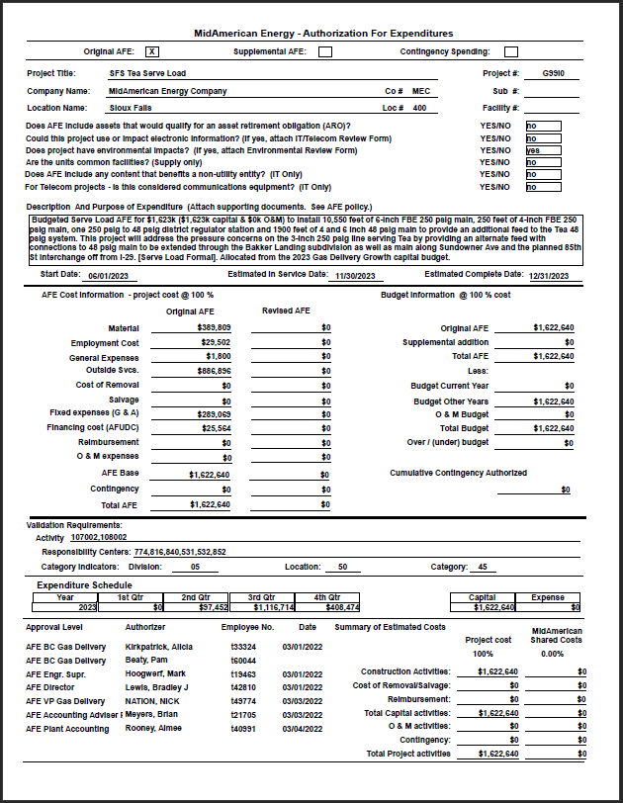

Pro-Forma Adjustment - System Reliability

SFS: Tea Serve Load

G9BDN Support
Pro-Forma Adjustment - System Reliability

SFS: Hwy 42 and Highway 11 Reb

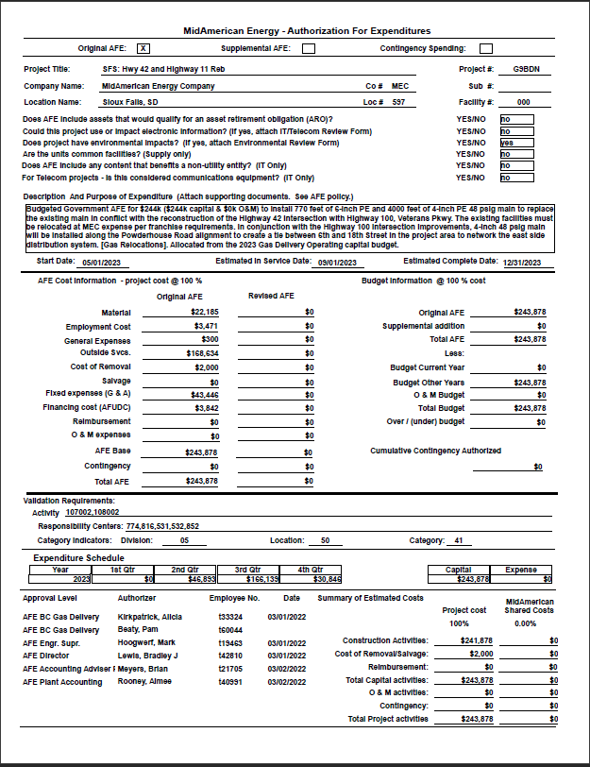

Pro-Forma Adjustment - System Reliability

SFS: Hwy 42 and Highway 11 Reb

G9BDU Support
Pro-Forma Adjustment - System Reliability

SFS 85th St to I29
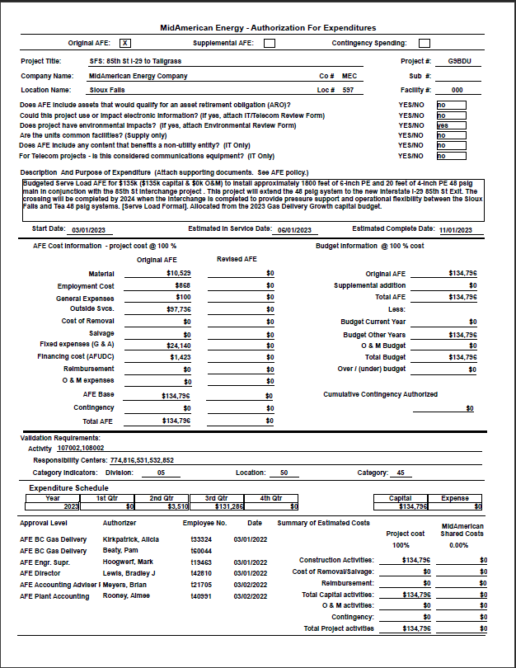

Pro-Forma Adjustment - System Reliability

SFS 85th St to I29

G99L3 Support
Pro-Forma Adjustment - System Reliability

SFS East Side 210PSIG Expansion
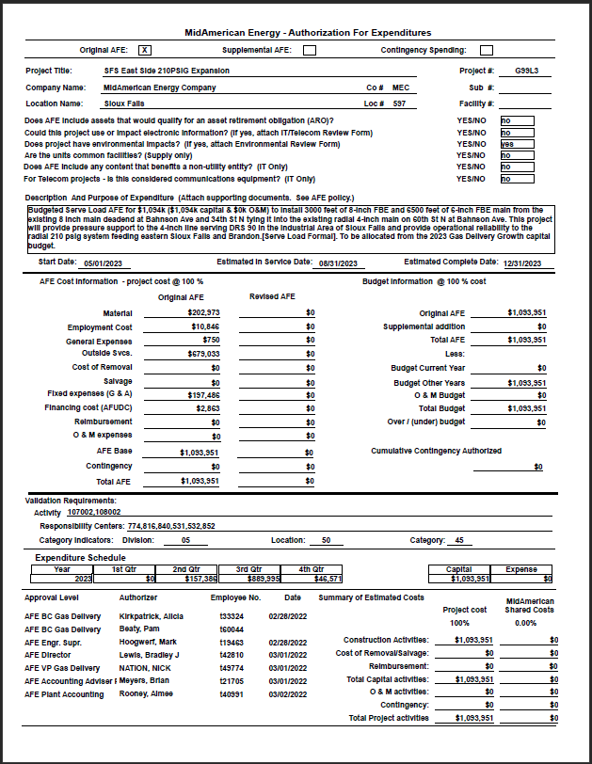

Pro-Forma Adjustment - System Reliability

SFS East Side 210PSIG Expansion

G9BDM Support
Pro-Forma Adjustment - System Reliability

2023 Flow Computer Repl - SD

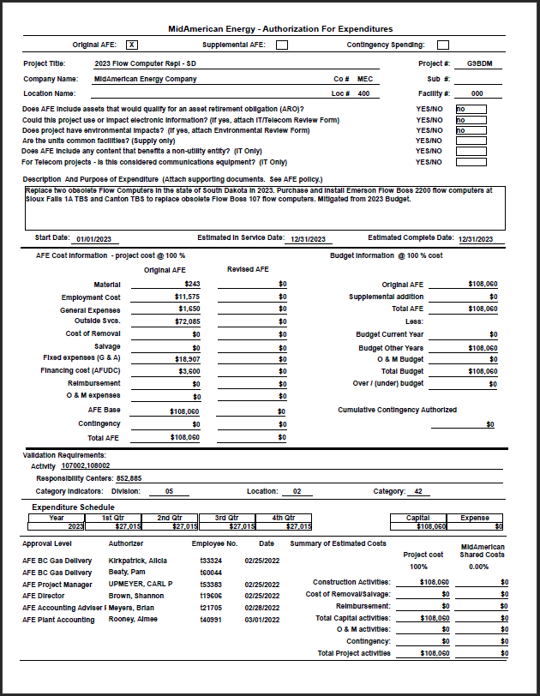

Pro-Forma Adjustment - System Reliability

2023 Flow Computer Repl - SD

G9BDG Support
Pro-Forma Adjustment - System Reliability

SFS: SF West TBS Capacity

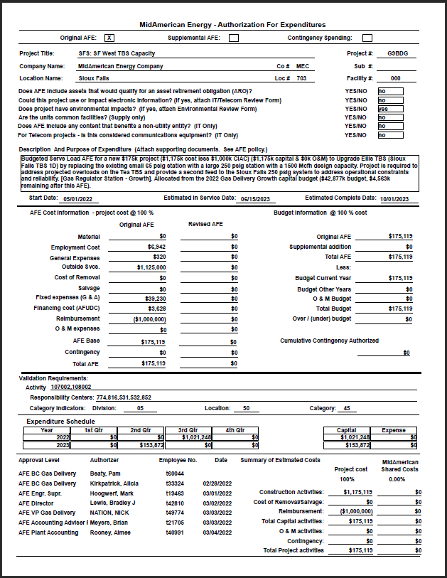

Pro-Forma Adjustment - System Reliability

SFS: SF West TBS Capacity

G9BDQ Support
Pro-Forma Adjustment - System Reliability

SFS: SFS 60th St N 250Psig Upgrade
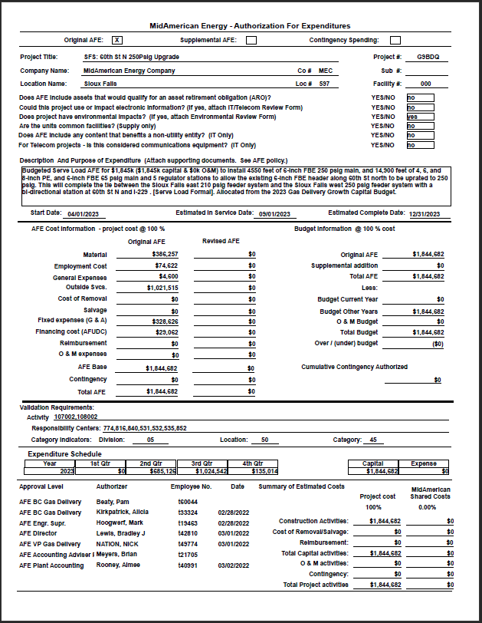

Pro-Forma Adjustment - System Reliability

SFS: SFS 60th St N 250Psig Upgrade

G9BDL Support
Pro-Forma Adjustment - System Reliability

2023 Odorizer Replacment - SD

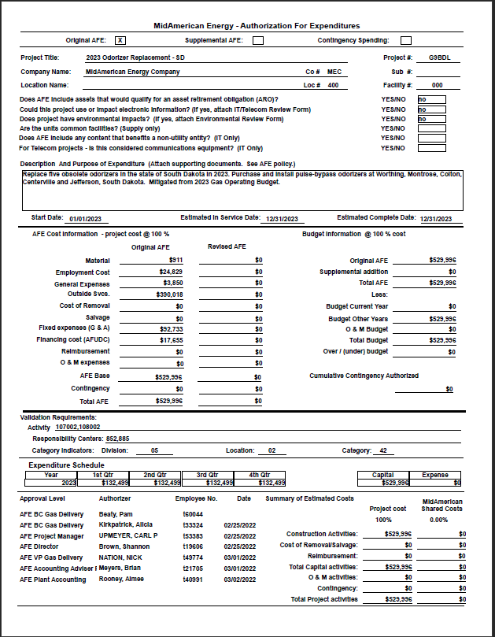

Pro-Forma Adjustment - System Reliability

2023 Odorizer Replacment - SD

