Conservation
Cold weather communication

Date | Time | Message | Channel | CTA | Audience | Impressions | Likes | Pageviews | Engagements | Shares
2021-02-11 |  | Black Hills Energy offers cold weather safety and heating tips for dropped temperatures in Rapid City, SD | News release | https://www.blackhillsenergy.com/news/black-hills-energy-offers-cold-weather-safety-and-heating-tips-for-incoming-temperature-drops-in-rapid-city | South Dakota |  |  |  |  |  | 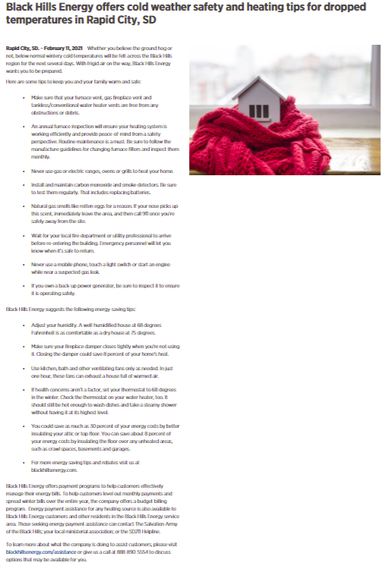
2021-02-15 |  | Cold weather conservation | Email |  | All customers
2021-02-15 | 2:38 p.m. | During this extreme and widespread frigid weather, the demand for energy is very high. You can help conserve energy with these tips: If health concerns aren’t a factor, set your thermostat to 68 degrees in the winter and reduce it 2 to 3 degrees while you’re away from home or sleeping. Hold off on doing chores. If you can, only wash full loads using cold water, air dry your clothes, or even better, wait until the extreme cold weather passes to complete these activities. Check your furnace filter – make sure it’s clean and properly installed facing the correct direction. Make sure your furnace vent, gas fireplace vent and tankless/conventional water heater vents are free from any obstructions. Adjust your humidity. A well-humidified house at 68 degrees is as comfortable as a dry house at 75 degrees. Use kitchen, bath and other ventilating fans only as needed. In just one hour, these fans can exhaust a house full of warmed air. Reduce hot water usage and set the temperature on your water heater to 120 degrees or put it on the “warm” setting. | LinkedIn |  | All customers | 3,874 | 54 |  |  |  | 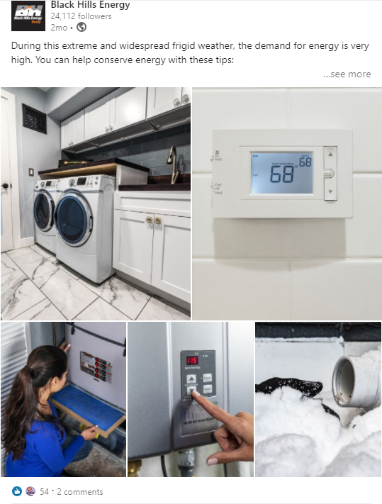
2021-02-15 | 12:46 p.m. | ⚠️ Impactful frigid temperatures and winter weather is impacting our service territory this week. Due to this major weather event, you may experience longer than normal hold times when contacting customer service. | Facebook | For non-emergency requests, contact us online at blackhillsenergy.com or direct message us on Facebook and Twitter. | All customers | 9.899 | 35 |  | 165 |  | 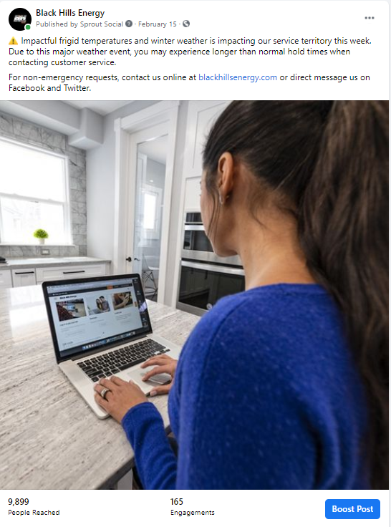
2021-02-15 |  | ⚠️ Impactful frigid temperatures and winter weather is impacting our service territory this week. Due to this major weather event, you may experience longer than normal hold times when contacting customer service. | Twitter | For non-emergency requests, contact us online at blackhillsenergy.com or direct message us on Facebook and Twitter. | All customers
2021-02-15 | 2:05 p.m. | Due to extreme cold and increased demand, we're urging customers to safely reduce their #energy usage. | Twitter | http://bit.ly/3dfM1Dv | All customers |  | 11 |  |  |  | 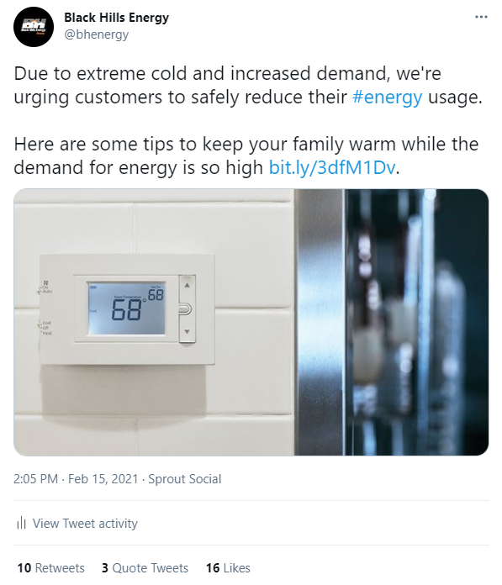
2021-02-15 |  | Due to a major weather event in all of our service territories, you may experience longer than normal hold times when contacting customer service. | Twitter |  | All customers |  |  |  |  |  | 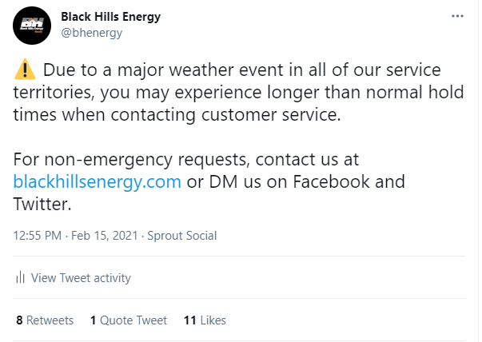
2021-02-15 |  | During this extreme and widespread frigid weather, the demand for energy is very high. You can help conserve energy with these tips: | Facebook | https://bit.ly/37iH0WT | All customers | 10,135 | 96 |  |  |  | 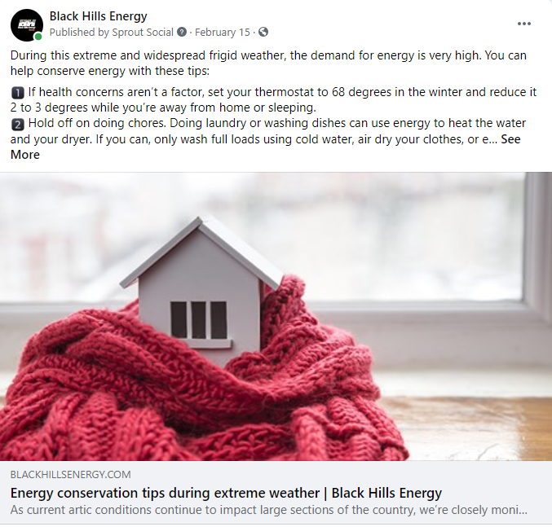
2/15/2021-03/05/2021 |  | Energy conservation tips | Facebook paid ads
 | Ad A | Hold off on doing chores. Doing laundry or washing dishes can use energy to heat the water and your dryer. If you can, only wash full loads using cold water, air dry your clothes, or even better, wait until the extreme cold weather passes to complete these activities | Facebook paid ads | Energy conservation tips during extreme weather | All customers | 13515 |  | 70 | 120 link clicks
 | Ad B | If health concerns aren't a factor, set your thermostat to 68 degrees in the winter to reduce it 2 to 3 degrees while you're away from home or sleeping | Facebook paid ads | Energy conservation tips during extreme weather | All customers | 633 |  | 2 | 2 link clicks
 | Ad C | Check your furnance filter - make sure it's clean and properly installed facing the correct direction | Facebook paid ads | Energy conservation tips during extreme weather | All customers | 4517 |  | 52 | 77 links clicks
 | Ad D | Make sure your furnace vent, gas fireplace vent and thankless/conventional water heater vents are free from any obstruction or debris | Facebook paid ads | Energy conservation tips during extreme weather | All customers | 45629 |  | 657 | 989 link clicks
 | Ad E | Reduce hot water usage. Use low-flo faucets and shower heads and take short showers instead of baths. Set the temperature on your water heater to 120 degrees or put it on the "warm" setting | Facebook paid ads | Energy conservation tips during extreme weather | All customers | 1796 |  | 6 | 8 link clisks
2021-02-15 |  | Black Hills Energy recommends efficiency to minimize impact of prolonged frigid temps | News release | https://www.blackhillsenergy.com/news/recommneds-efficiency-to-minimize-impact-of-prolonged-frigid-temps | All customers |  |  |  |  |  | 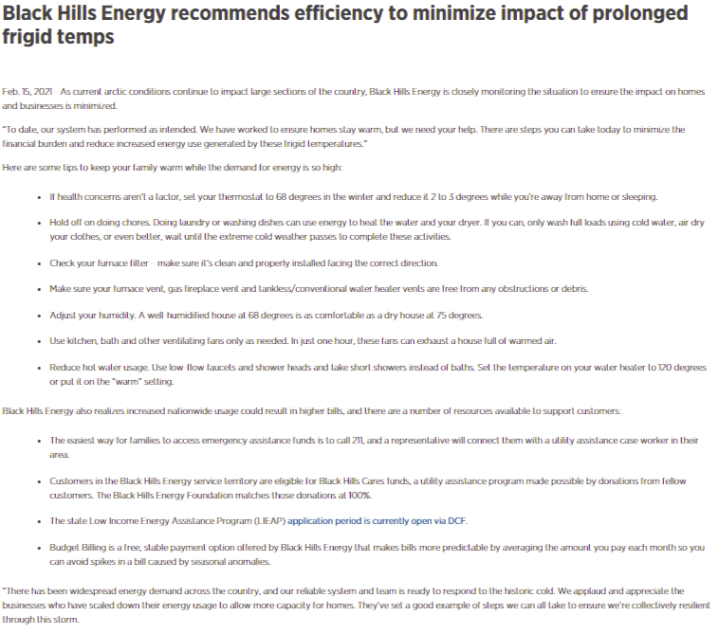
2021-02-15 |  | Black Hills Energy recommends efficiency to minimize impact of prolonged frigid temps in South Dakota | News release | https://www.blackhillsenergy.com/news/black-hills-energy-recommends-efficiency-to-minimize-impact-of-prolonged-frigid-temps-in-south-dakota | All customers |  |  |  |  |  | 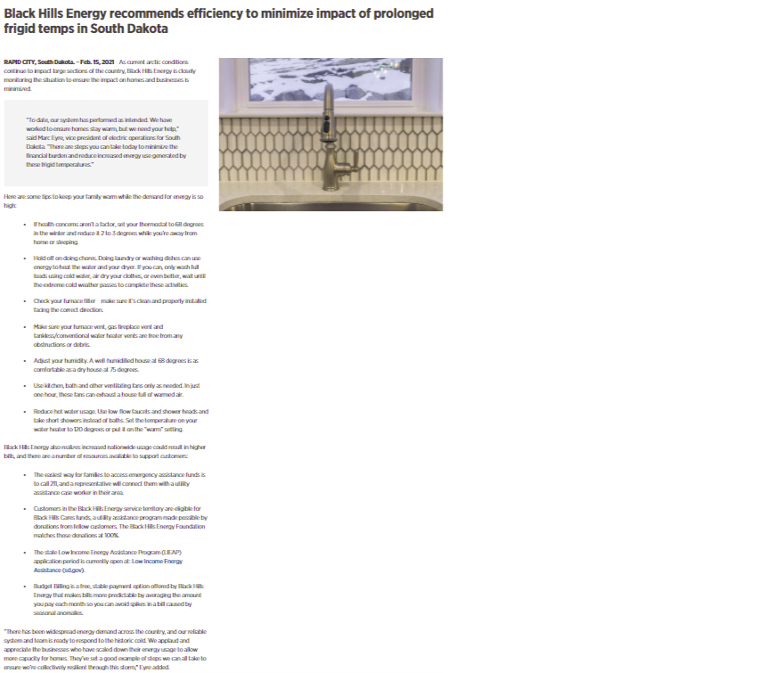
2021-02-16 | 11:15 p.m. | There's a widespread energy demand across the country, and our resilient system and team is ready to respond to the historic cold. We applaud and appreciate the businesses who have scaled down to allow more capacity for homes. | Facebook | https://bit.ly/37iH0WT | All customers |  |  |  |  |  | 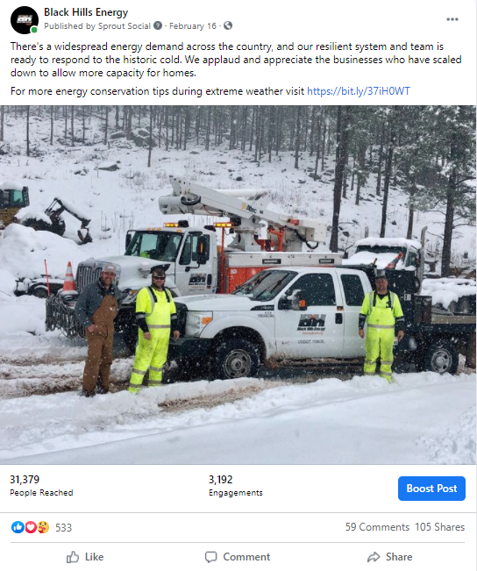
2021-02-16 | 8:01 a.m. | There's a widespread energy demand across the country, and our resilient system and team is ready to respond to the historic cold. We applaud 👏 👏 and appreciate the businesses who have scaled down to allow more capacity for homes. #winterstorm2021 | Twitter |  | All customers | 31,379 | 533 |  | 3,192 |  | 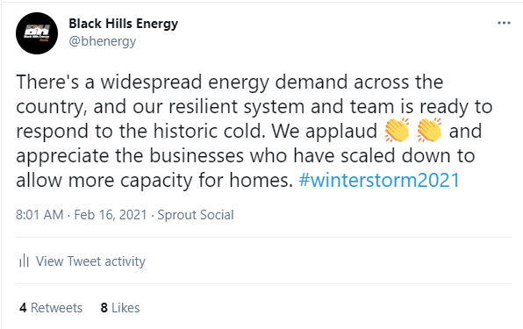
2021-02-16 | 4:14 p.m. | #Energysavingtip: Reduce hot water usage: Use low-flow faucets and shower heads and take short showers instead of baths. Set the temperature on your water heater to 120 degrees Fahrenheit or put it on the "warm" setting. | All | Twitter |  | All customers |  | 4 |  |  | 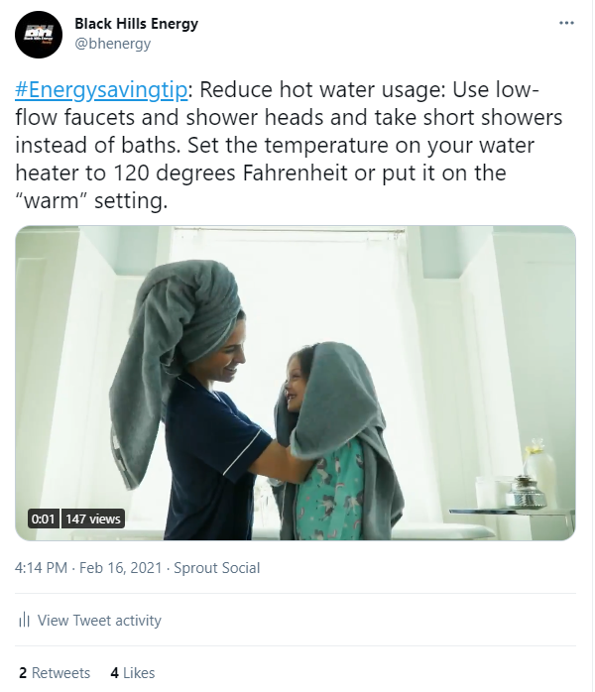
 |  | 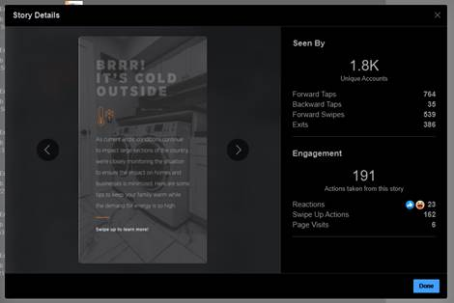 | Instagram stories |  | All customers
 |  | 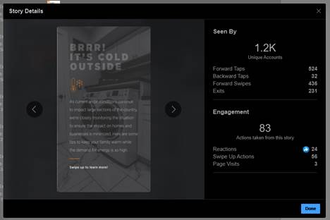 | Instagram stories |  | All customers
2021-02-17 |  | There's a widespread energy demand across the country, and our resilient system and team is ready to respond to the historic cold. We applaud and appreciate the businesses who have scaled down to allow more capacity for homes. | Instagram |  | All customers |  |  |  |  |  | 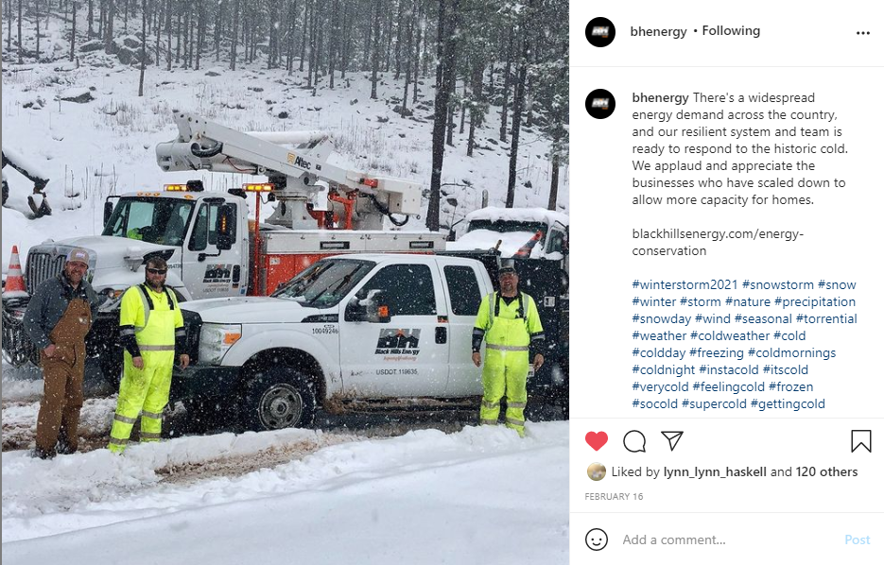
2021-02-17 |  | During this extreme and widespread frigid weather, the demand for energy is very high. You can help conserve energy with these tips: | Instagram |  | All customers
2021-02-17 | 12:24 p.m. | Hold off on the chores today. Doing laundry and washing dishes can use energy to heat the water and your dryer. Only wash full loads using cold water if possible, air dry your clothes or even better - wait until the extreme cold weather passes to complete these activities. | Twitter |  | All customers |  |  |  |  |  | 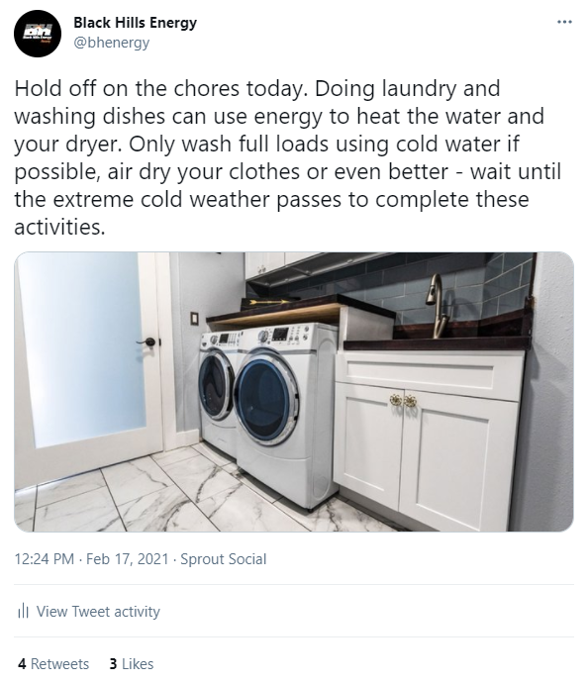
2021-02-17 |  | Who's down for a cup of ☕ hot chocolate right about now? ✋ ✋ | Twitter |  | All customers |  | 11 |  |  |  | 
2021-02-17 |  | Energy conservation tips during extreme weather | blackhillsenergy.com | https://www.blackhillsenergy.com/efficiency-and-savings/energy-conservation-tips-during-extreme-weather | All customers
2021-02-17 |  | Winter storm FAQs on supply and pricing | blackhillsenergy.com | https://www.blackhillsenergy.com/efficiency-and-savings/energy-conservation-tips-during-extreme-weather/winter-storm-faqs-supply-and | All customers
2021-02-18 |  | We appreciate everyone for their energy conservation efforts and encourage All customers to continue minimizing energy usage wherever possible. We always strive to provide affordable, reliable energy, but we know the drastic increase in nationwide usage will drive up costs. To reduce this impact, we need everyone’s help in safely conserving energy. The steps we all take to limit usage will help keep everyone warm and the energy affordable during this historic cold snap. | Instagram | http://blackhillsenergy.com/assistance | All customers |  | 43 |  |  |  | 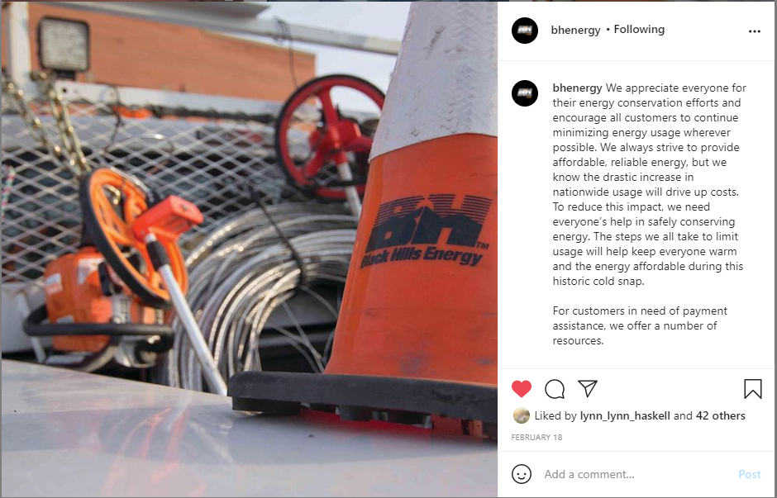
2021-02-18 |  | We appreciate everyone for their energy conservation efforts and encourage All customers to continue minimizing energy usage wherever possible. We always strive to provide affordable, reliable energy, but we know the drastic increase in nationwide usage will drive up costs. To reduce this impact, we need everyone’s help in safely conserving energy. The steps we all take to limit usage will help keep everyone warm and the energy affordable during this historic cold snap. For customers in need of payment assistance, we offer a number of resources. Learn more at https://lnkd.in/dJabFst | LinkedIn | http://blackhillsenergy.com/assistance | All customers | 2,842 | 53 |  |  |  | 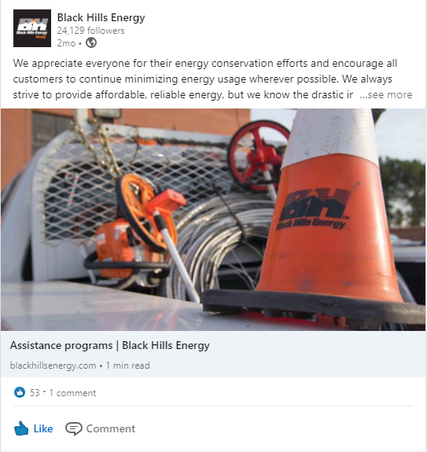
2021-02-18 |  | We appreciate everyone for their energy conservation efforts and encourage All customers to continue minimizing energy usage wherever possible. We always strive to provide affordable, reliable energy, but we know the drastic increase in nationwide usage will drive up costs. To reduce this impact, we need everyone’s help in safely conserving energy. The steps we all take to limit usage will help keep everyone warm and the energy affordable during this historic cold snap. | Facebook | blackhillsenergy.com/pea-ridge-ar | All customers |  |  |  |  |  | 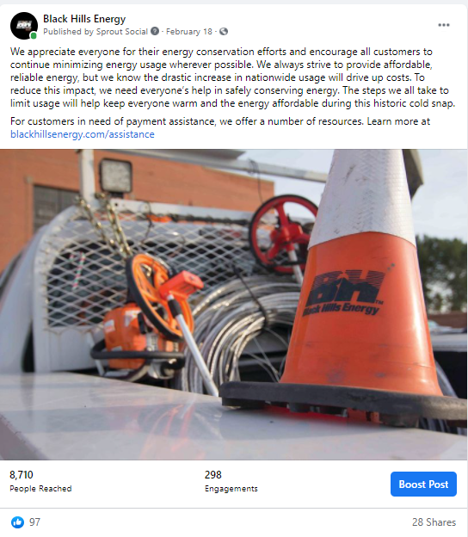
2021-02-18 |  | To reduce the impact of cost from the drastic increase in nationwide usage, we need everyone’s help in safely conserving energy. The steps we all take to limit usage will help keep everyone warm and the energy affordable during this historic cold snap. | Twitter | https://www.blackhillsenergy.com/efficiency-and-savings/energy-conservation-tips-during-extreme-weather?utm_source=social&utm_medium=twitter&utm_campaign=winter-energy-conservation | All customers |  | 3 |  |  |  | 